GRIZZ 3MAX SB VS BB RANGES
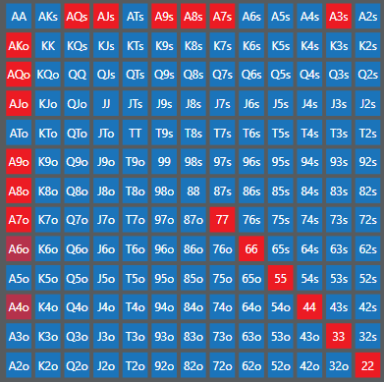
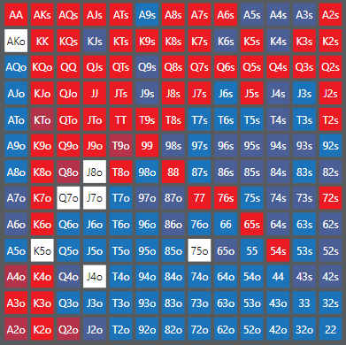
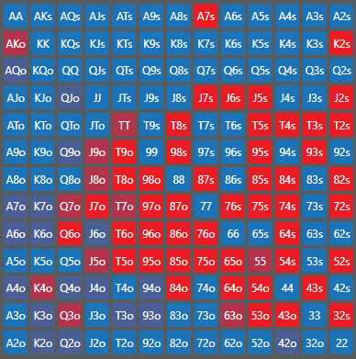
20+

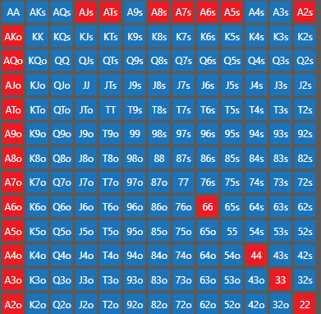
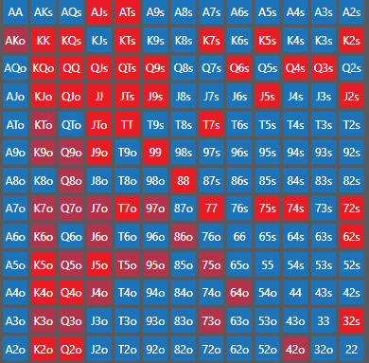
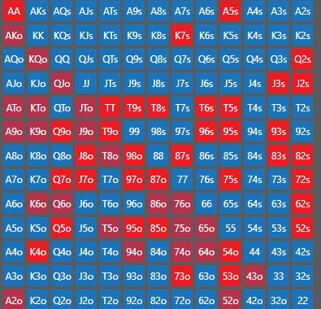
1620

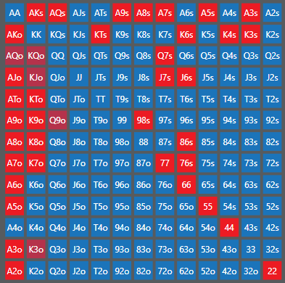
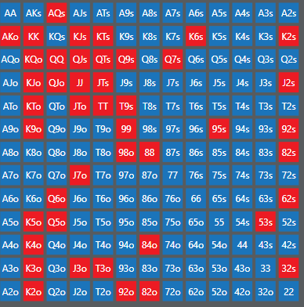
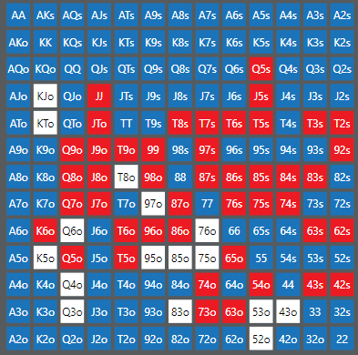
13-16

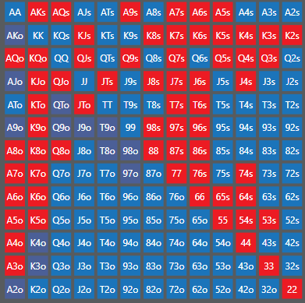
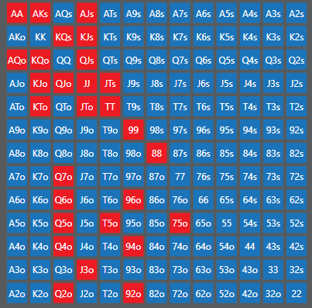
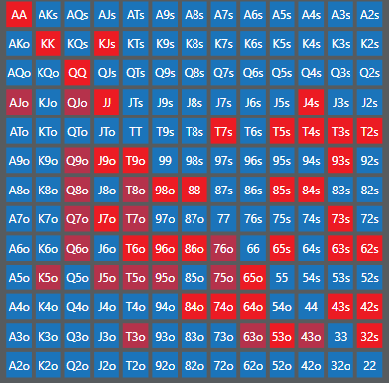
1013

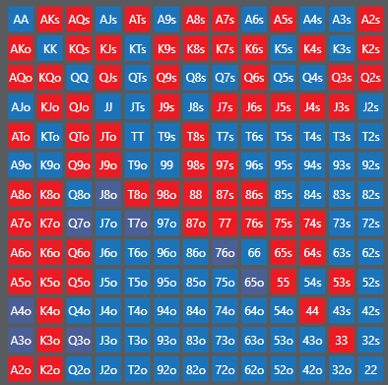
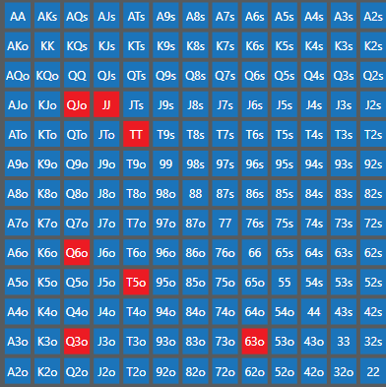
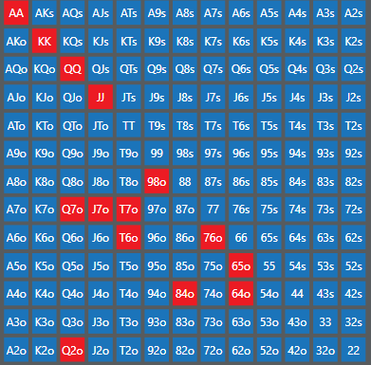
810

GRIZZ HU SB RANGES
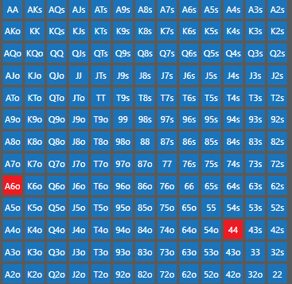
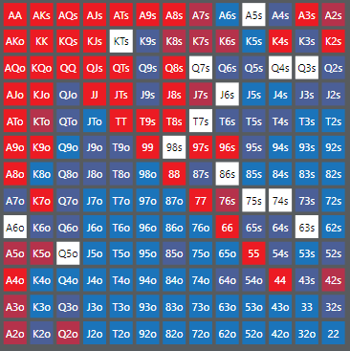
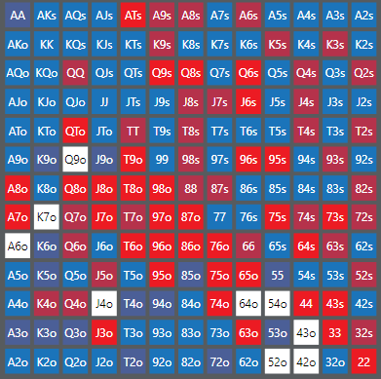
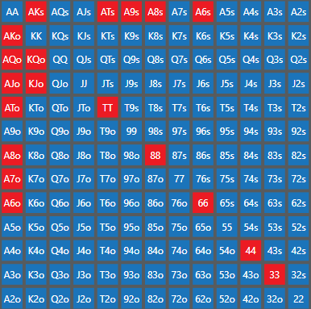
20-100 |  |  | EV/100 | VP | PFR | 3b-f | PF EQ
 |  | 20-100 | 29 | 93 | 63.4 | 68.4 | 54.7
 |  | 16-20 | 16.7 | 92.3 | 47.8 | 65 | 53.6
 |  | 13-16 | 18.63 | 91.9 | 39.2 | 49.8 | 52.3
 |  | 11-13 | 11.52 | 91.1 | 39.8 | 41.5
 |  | 9-11 | 10.26 | 90.2 | 44.5 | 32 | 48.8
 |  | 7-8 | 12.38 | 86 | 63.5 | 21.6

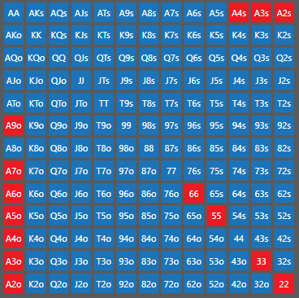
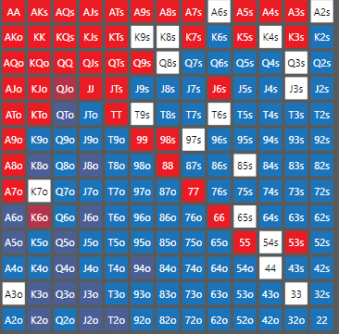
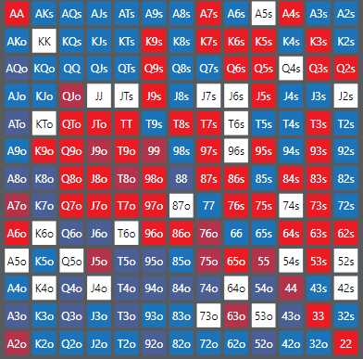
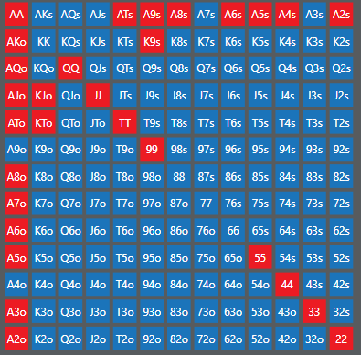
16-20

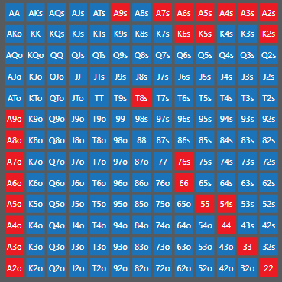
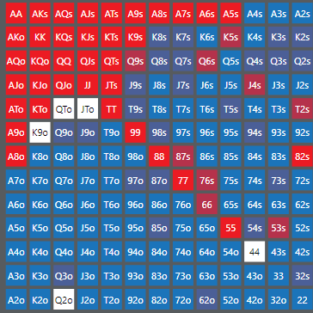
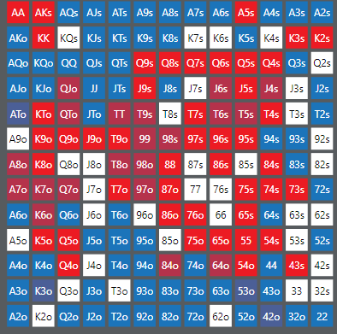
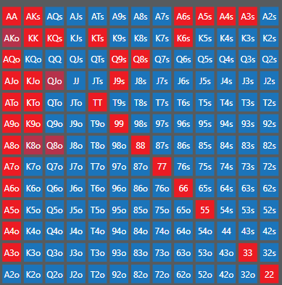
13-16

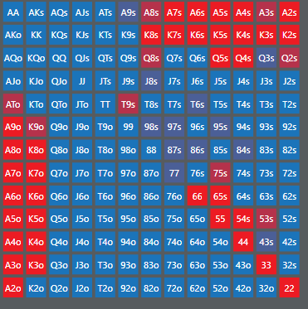
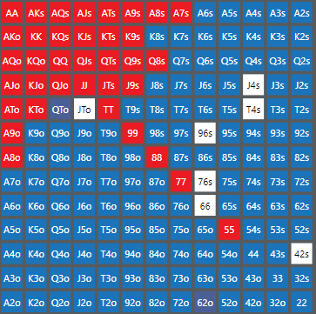
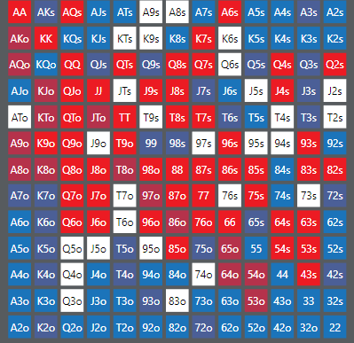
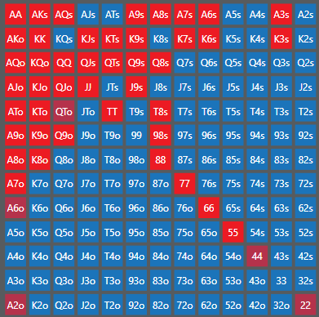
10-13

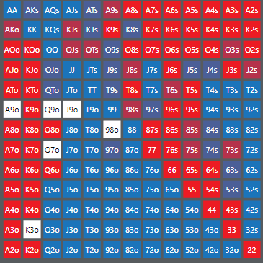
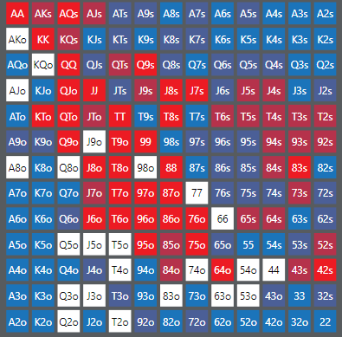
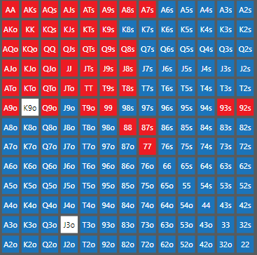
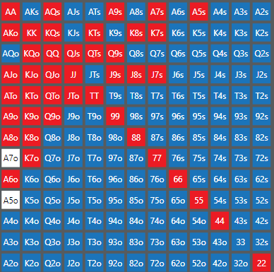
8-10

 | call push

HYPERDONK SBvsBBHU
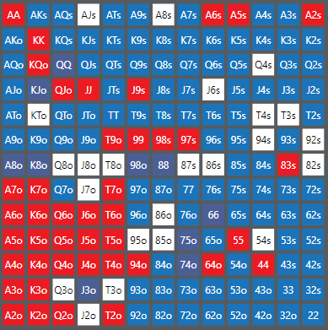
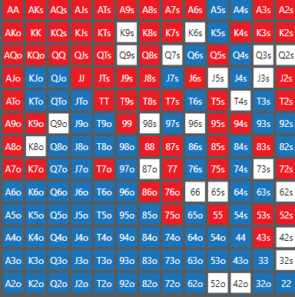
 | VPIP | PFR | OPUSH | ORAISE | LIMP | F TO 3B | ALL IN EQ
AVG | 90.8 | 52.1 |  |  | 38.7 | 66.2 | 49.6
22-100 | 93.6 | 56.7 |  | 54 | 37.5 |  |  | limp 22+ | pfr 22+
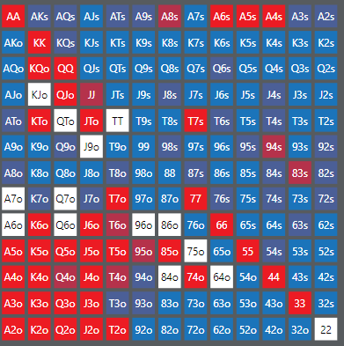
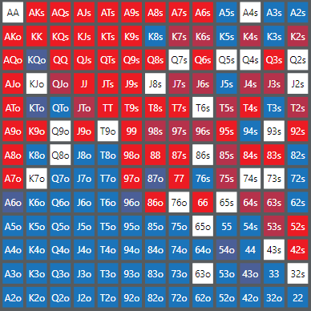
19-22 |  |  |  | 50.9 | 39.5
17-19 |  |  |  | 0 | 0
15-17 |  |  |  | 0 | 0
13-15 |  |  |  | 0 | 0
11-13 |  |  |  | 0 | 0
9-11 |  |  |  | 0 | 0
7-9 |  |  |  | 0 | 0
 |  |  |  | 0 | 0
 |  |  |  | 0 | 0
 |  |  |  | 0
 |  |  |  | 0

 |  |  |  |  |  |  |  | limp 19-22 | pdf 19-22

